Content
Ninestar EcoTank Style Ink Product Guide Book

Asia
Latin America
Europe
North America
Japan
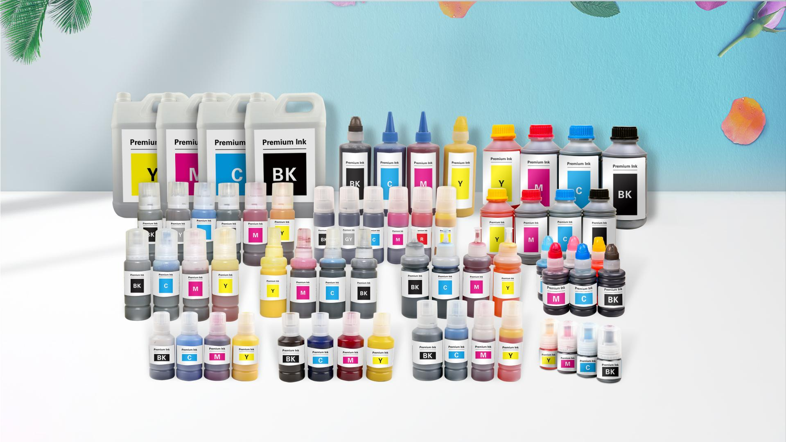

Ninestar Image Tech Limited Factory Add: No. 3883,Zhuhai Avenue,Xiangzhou District, Zhuhai Guangdong,P.R. China 519060 Tel: (0086)-756-8539188 Fax: (0086)-756-8539856 Email: info@ggimage.com Website: www.ggimage.com

 | All trademarks referenced are property of their respective holders and are used for identification purposes only.

